DropDownMenu_SubjectMatters
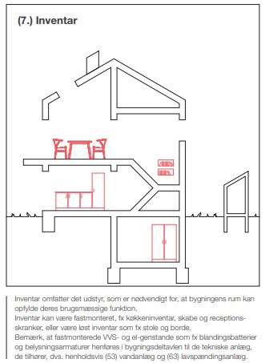
SubjectMatterId | GroupName | Language | EuroCode | Quality_report | Static_report | Building part ICON
KP00 | Work Environment and Safety | EN |  | Y | N | 8 | ITEMS from FOLDER Building Part
KP01 | SOIL, SEWER, AND FACILITIES | EN |  | Y | N | 1
KP02 | Supply work in soil | EN | 2 | Y | Y | 1
KP03 | Foundations_Concrete | EN | 2 | Y | Y | 1
KP04 | Foundation slab | EN | 2 | Y | Y | 2
KP05 | Concrete elements | EN | 2 | Y | Y | 2
KP06 | Light Concrete_Aerated Concrete_Silica Blocks | EN | EN 1520 and EN12602 | Y | Y | 2
KP07 | Carpenter | EN | 5 | Y | Y | 4,3
KP08 | System deliveries | EN | 9 | Y | Y | 3,4,5,8
KP09 | Furniture and fittings etc | EN |  | Y | N | 7
KP10 | Ventilation | EN |  | Y | N | 6
KP11 | HVAC_Water_heating_sanitation | EN |  | Y | N | 5
KP12 | Electrical Installations | EN |  | Y | N | 6
KP13 | Roof covering | EN | 5 | Y | Y | 4
KP14 | Flooring/installation | EN |  | Y | N | 4
KP15 | Painting_spackling | EN |  | Y | N | 4
KP16 | Steel_and deliveries | EN | 3 | Y | Y | 3
KP17 | Mason worker | EN |  | Y | N | 1,2
KP18 | PLUMBER | EN |  | Y | N | 4
KP19 |  | EN
KP20 |  | EN
KP21 |  | EN
KP22 |  | EN
KP23 |  | EN

